Activity Use Areas Map
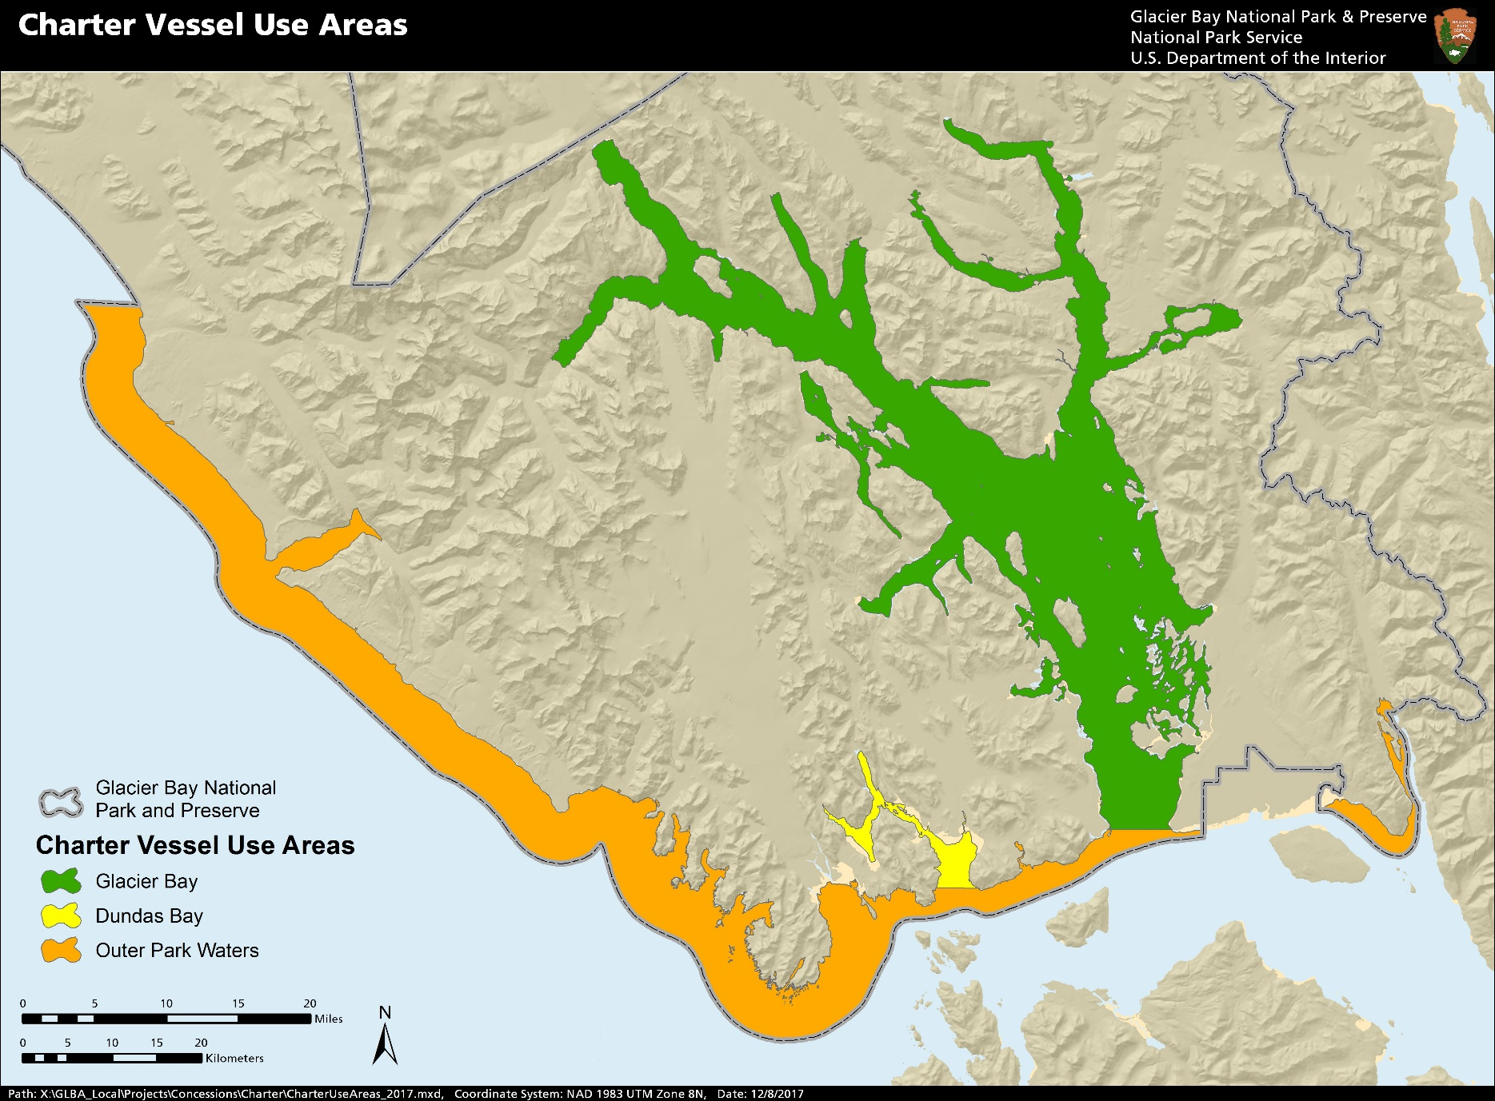

Sportfish Report
GLACIER BAY NATIONAL PARK
CHARTER FISHING SURVEY LOGBOOK FORM
 |  |  |  |  |  |  |  | updated 6.17.22
Charter Business Name : |  |  | Charter Trip Starting Location:
Vessel Name : |  |  | Charter Trip Ending Location:
Vessel Operator: |  |  | Number of Crew:
Date (mm/dd/yy) | Trip Duration (full/ half/ multiday) | Fishing Location (Be Specific!) | No. People Fishing | Boat Hours for Salmon & Trout | Boat Hours for Bottom Fish | Species and Number of Fish Kept | Species and Number of Fish Released

Example
 |  | Record only a single location for each row!
2013-05-26 | Full | Point Carolus (Outside Bay Proper) | 4 | 0 | 4 | Hal - 2 | Hal -3

